Outcomes Based on Goals
Goal | Number Successful | Number Failed | Number Canceled | Total Projects | Percentage Successful | Percentage Failed | Percentage Canceled
Less than 1000 | 116 | 305 | 0 | 421 | 28% | 72% | 0%
1000 to 4999 | 402 | 43 | 0 | 445 | 90% | 10% | 0%
5000 to 9999 | 100 | 3 | 0 | 103 | 97% | 3% | 0%
10000 to 14999 | 41 | 2 | 0 | 43 | 95% | 5% | 0%
15000 to 19999 | 14 | 0 | 0 | 14 | 100% | 0% | 0%
20000 to 24999 | 8 | 0 | 0 | 8 | 100% | 0% | 0%
25000 to 29999 | 2 | 0 | 0 | 2 | 100% | 0% | 0%
30000 to 34999 | 3 | 0 | 0 | 3 | 100% | 0% | 0%
35000 to 39999 | 2 | 0 | 0 | 2 | 100% | 0% | 0%
40000 to 44999 | 2 | 0 | 0 | 2 | 100% | 0% | 0%
45000 to 49999 | 0 | 0 | 0 | 0 | 0% | 0% | 0%
Greater than 50000 | 4 | 0 | 0 | 4 | 100% | 0% | 0%
Outcomes Based on Goals
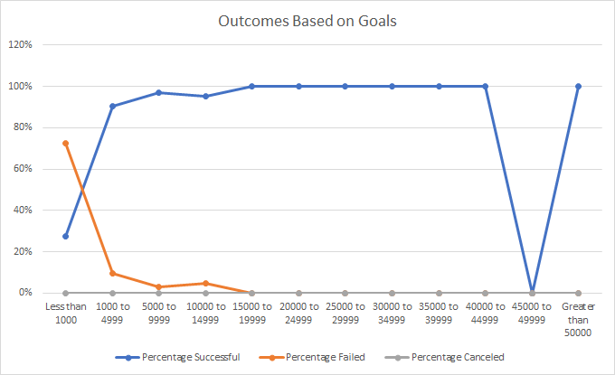

 |  |  |  |  |  | PNG File ----->

Outcomes Based on Launch Date
 | canceled | failed | live | successful
Jan | 7 | 33 | 2 | 56
Feb | 3 | 39 | 8 | 71
Mar | 3 | 33 | 14 | 56
Apr | 2 | 40 |  | 71
May | 3 | 52 |  | 111
Jun | 4 | 49 |  | 100
Jul | 1 | 50 |  | 87
Aug | 4 | 47 |  | 72
Sep | 4 | 34 |  | 59
Oct |  | 50 |  | 65
Nov | 3 | 31 |  | 54
Dec | 3 | 35 |  | 37
Parent | Theater

Count of outcomes | Column Labels
Row Labels | canceled | failed | live | successful | Grand Total
Jan | 7 | 33 | 2 | 56 | 98
Feb | 3 | 39 | 8 | 71 | 121
Mar | 3 | 33 | 14 | 56 | 106
Apr | 2 | 40 |  | 71 | 113
May | 3 | 52 |  | 111 | 166
Jun | 4 | 49 |  | 100 | 153
Jul | 1 | 50 |  | 87 | 138
Aug | 4 | 47 |  | 72 | 123
Sep | 4 | 34 |  | 59 | 97
Oct |  | 50 |  | 65 | 115
Nov | 3 | 31 |  | 54 | 88
Dec | 3 | 35 |  | 37 | 75
Grand Total | 37 | 493 | 24 | 839 | 1393

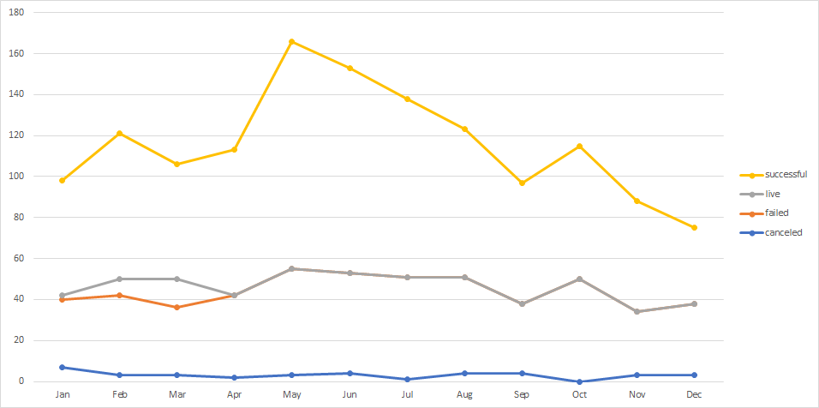

 |  |  |  | PNG File--->

